1. Title Page
[Grocery Basket Analysis]

Project Name : Instacart Grocery Basket Analysis
Date : 19th April 2023
Analyst Name : Sruthy Sreekanth

Contents:
Population Flow
Consistency checks
Wrangling steps
Column derivations
Visualizations
Recommendations
Data Citation

2. Population Flow
Title page

Population flow

Exclusion flag
Condition: max_order < 5
Obervations to be removed: 1,440,295
Final total count of df_high_activity: 30,964,564

Orders_products_combined
Orders_products_merged
df_final

Total: 32,434,489
Total:32,404,859
Total: 32,404,859

1.) The grey boxes in the first row of the population flow represent the original data sets as they were when you downloaded them. In the Total fields you need to add the count of the rows when you imported the data set into Jupyter.
2.) The second row of boxes (coloured) represents the data sets after you manipulated them, e.g., removed missing values and duplicates. In the Total fields you need to add the count of the rows after conducting these operations. This offers a visual oveview of how the data flows throughout the data consistency checks.
3.) The third row, where also the arrows are coloured, represents the merges you performed between the datasets. In the Total fields you need to add the count of the rows in the merged datasets, so that you end up with the final dataset (in the red box). Keep in mind the final dataset should be without exclusions (based on the exclusion flag).

3. Consistency checks
 |  |  |  | Title page
Consistency checks

Dataset | Missing values | Missing values treatment | Duplicates
orders | There are 206209 missing values in the 'days_since_previous_order' column | Nothing changed.Because this is the customer's first order, order_number value 1 can serve as an indicator for a new customer. | No duplicates detected.
products | There are 16 missing values in the 'product_name' column | Records with missing product names are removed | 5 full duplicates detected and cleaned
orders_products_prior | 0 | N/A | 0
customers | There are 11259 missing valuesin First_Name column | For analysis, the columns First_Name and Last_Name (PII data) are not necessary.So I removed those columns and the First_Name column's missing data was also rectified. | 0

4. Wrangling steps
 |  |  |  |  | Title page
Wrangling steps

Dataset | Columns dropped | Columns renamed | Columns' type changed | Comment/Reason
orders |  |  | order_id',user_id | Numeric ID has no quantitative meaning.
 |  | order_dow':'order_day_of_week', 'days_since_prior_order':'days_since_previous_order' |  | Renamed to provide clarity and consistency.

products | Unnamed: 0 |  |  | Column is not useful for this analysis.
orders_products_prior
customers |  | First Name':'First_Name', 'Surnam':'Last_name', 'STATE':'State', 'date_joined':'Date_Joined','n_dependants':'No_of_Dependants', 'fam_status':'Family_status','income':'Income' |  | Renamed to provide clarity and consistency.
 |  |  | user_id | Aligned the keycolumn(user_id) with same datatype
 | First_Name , Last_name |  |  | Columns dropped for data privacy, removed PII

5. Column derivations
 |  |  |  |  | Title page

Column derivations and aggregations

In this tab you should add tables below that the frequences of flags/label variables that you produced after deriving them. NB: don't do this for continuous variables, only for flags.
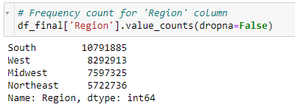
Dataset | New column | Column/s it was derived from | Conditions
orders_products_merged | price_label | prices | If prices is greater than 15 : High-range product If prices is greater than 5 and less than or equal to 15 : Medium- range product If prices is less than 5 : Low-range product
 | busiest day | 'order_day_of_week' | If order_day_of_week is 0 : Busiest day If order_day_of_week is 4 : Least busy day If order_day_of_week is 2, 5, or 6 : Regularly busy day
 | busiest_days | 'order_day_of_week' | If order_day_of_week is 0 or 1 : Busiest days If order_day_of_week is 3 or 4 : Slowest days If order_day_of_week is 2, 5, or 6 : Regular days
 | 'busiest_period_of_day' | 'order_hour_of_day' | If order_hour_of_day is between 9 and 16 : Most orders If order_hour_of_day is between 0 and 6 or value is 23 : Fewest orders All other order_hour_of_day : Average orders
ords_prods_merged_clean | 'max_order' | order_number | find the maximum of order_number by grouping user_id

 | Loyalty_Flag' | 'max_order' | If max_order is greater than 40 : Loyalty customer If max_order is > 10 and less than or equal to 40 : Regular customer If max order is less than or equal to 10 : New customer
 | average_price | prices | find the mean of prices by grouping user_id
 | spending_flag | average_price | If average_price is less than 10 : Low spender If average_price is greater than or equal to 10 : High spender
 | 'median_freq' | days_since_previous_order' | find the median of 'days_since_previous_order' by grouping user_id
 | order_frequency_flag' | 'median_freq' | If median_freq is greater than 20 : Non-frequent customer If median_freq is greater than 10 and less than or equal to 20 : Regular customer If median_freq is less than or equal to 10 : Frequent customer | 
df_final | Region' | 'State' | Northeast .isin ['Maine', 'New Hampshire', 'Vermont', 'Massachusetts', 'Rhode Island', 'Connecticut', 'New York', 'Pennsylvania', 'New Jersey'] Midwest ,isin ['Wisconsin', 'Michigan', 'Illinois', 'Indiana', 'Ohio', 'North Dakota', 'South Dakota', 'Nebraska', 'Kansas', 'Minnesota', 'Iowa', 'Missouri'] South .isin ['Delaware', 'Maryland', 'District of Columbia', 'Virginia', 'West Virginia', 'North Carolina', 'South Carolina', 'Georgia', 'Florida', 'Kentucky', 'Tennessee', 'Mississippi', 'Alabama', 'Oklahoma', 'Texas', 'Arkansas', 'Louisiana'] West .isin ['Idaho', 'Montana', 'Wyoming', 'Nevada', 'Utah', 'Colorado', 'Arizona', 'New Mexico', 'Alaska', 'Washington', 'Oregon', 'California', 'Hawaii'] |  
 | Activity_flag | max_order | If max_order is less than 5 : Low activity If max_order is greater than or equal to 5 : High activity
df_high_activity | age_group | Age | If age >=18 and < 40 : Young Adult If age is >= 40 and < 65 : Middle-Aged If age is greater than equal to 65 : Senior
 | income_group | Income | If income is less than 70000 : Low income If income is >= 70000 and < =120000 : Middle income If income is greater than 120000 : High income
 | household_size | No_of_Dependants | If number of dependants is equal to 0 : single household If number of dependants is 1 or 2 : Medium household If number of dependants 3 : Large household

6. Visualizations
 | Title page
Visualisations

In this tab you should include all the visualtions from Exercises 4.9 and 4.10, alongside the questions from the project brief that they answer. Include any commentary on the relationship between different variables.

Key Questions:

1) The sales team needs to know what the busiest days of the week and hours of the day are (i.e., the days and times with the most orders) in order to schedule ads at times when there are fewer orders.They also want to know whether there are particular times of the day when people spend the most money, as this might inform the type of products they advertise at these times.
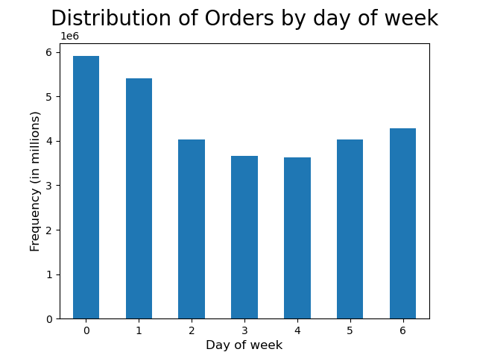
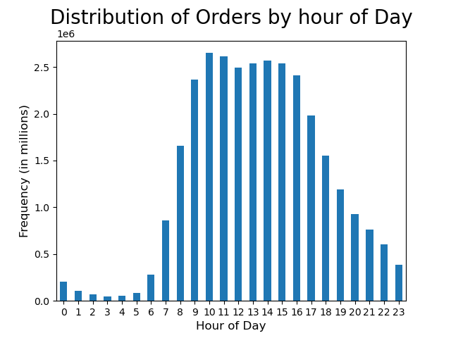
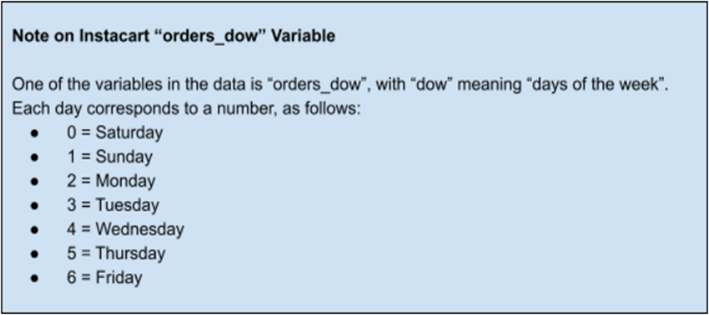
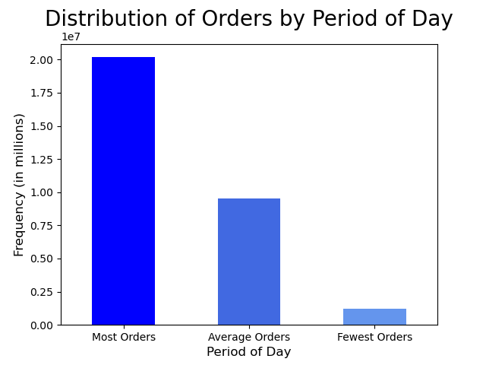

Period of Day Grouping:
Most Orders : 9am to 4 pm
Average Orders :7am to 8am & 5pm to 10pm
Least Orders : 11pm to 6am

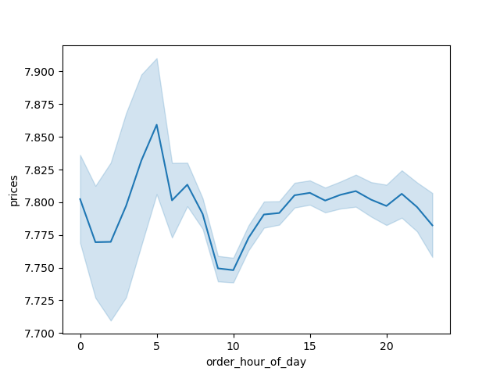

The busiest days of the week are Saturday and Sunday. This is consistent with the fact that these days fall on the weekend, when most customers are off work and completing their weekly purchases.
The hours between 9am and 4pm had the highest number of orders, with 10am being the peak hour for orders, according to the frequency of orders placed per hour.More than 2 million orders are placed between 10am and 4pm.
In order to display the frequency of orders, the period of day was divided into three separate categories. The grouping for Average Orders makes up half of the Most Orders grouping.
The blue line in the line chart shows how prices vary based on the hour of day. The most money is spent in the morning between 4am and 6am.

2) Instacart has a lot of products with different price tags. Marketing and sales want to use simpler price range groupings to help direct their efforts.

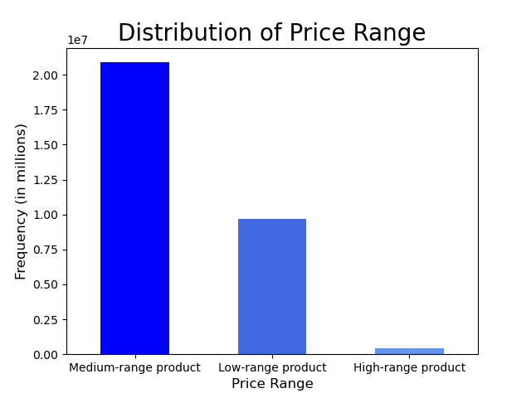

Price Range Grouping:
High-range product : prices > 15
Medium-range product : 5 < prices <= 15
Low-range product : prices <= 5

The three separate groupings of prices are shown above. Analysis shows that most of the ordered products fall into the medium-range product category.

3) Are there certain types of products that are more popular than others? The marketing and sales teams want to know which departments have the highest frequency of product orders.

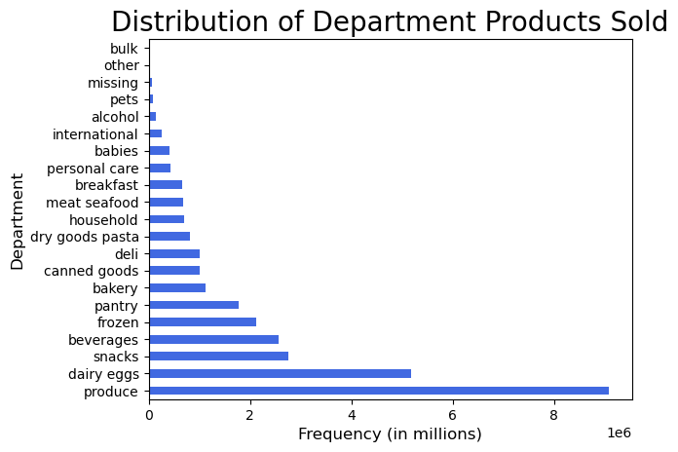

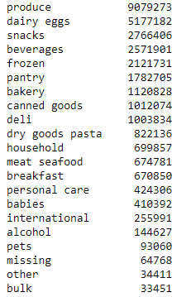

The following are the top 5 departments in terms of the frequency of product orders:
Produce
Dairy eggs
Snacks
Beverages
5. Frozen

4) What’s the distribution among users in regards to their brand loyalty

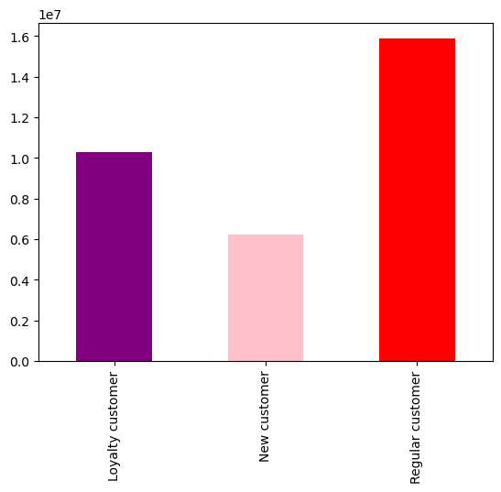

Loyalty Grouping:
Regular Customer : 10 < max_order <= 40
Loyalty Customer : max_order > 40
New Customer : max_order <= 10

Regular Customers—those placing orders between 10 and 40—represent the vast majority of users, closely followed by Loyal Customers.

5) Are there differences in ordering habits based on a customer’s loyalty status?

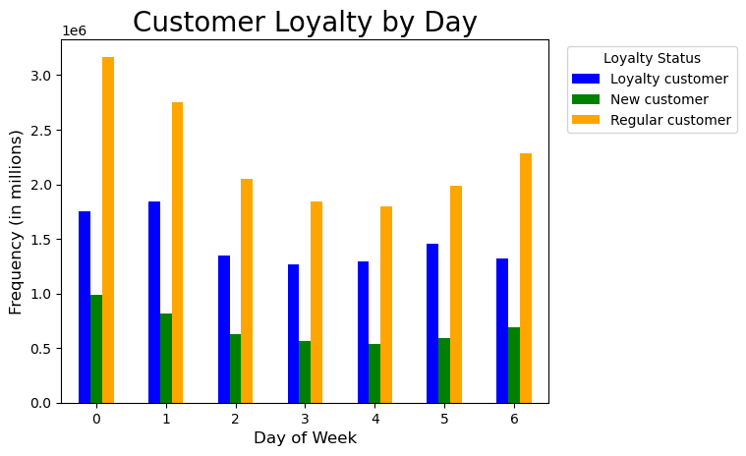
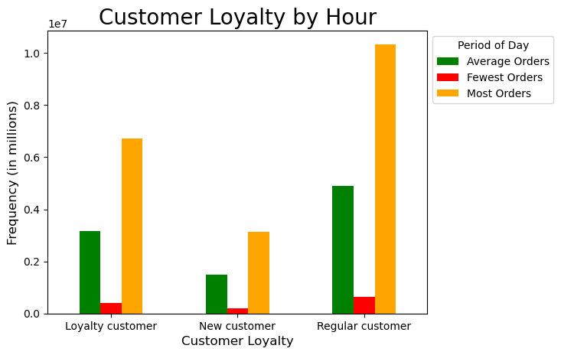
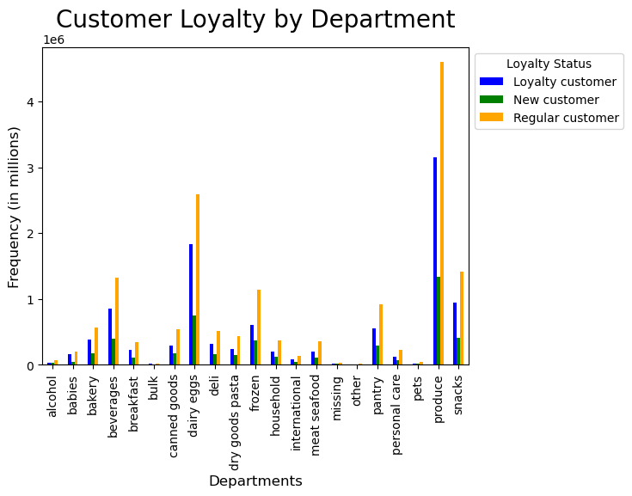

Customer loyalty was assessed using orders placed by day, hour, and department.
According to an analysis of orders by day, customers continue to place the majority of their orders on Saturday and Sunday.
Orders per hour show that most orders are placed between 9am and 4pm.
Additionally, when comparing orders by departments, produce and dairy eggs had the highest order totals.

6) Are there differences in ordering habits based on a customer’s region?

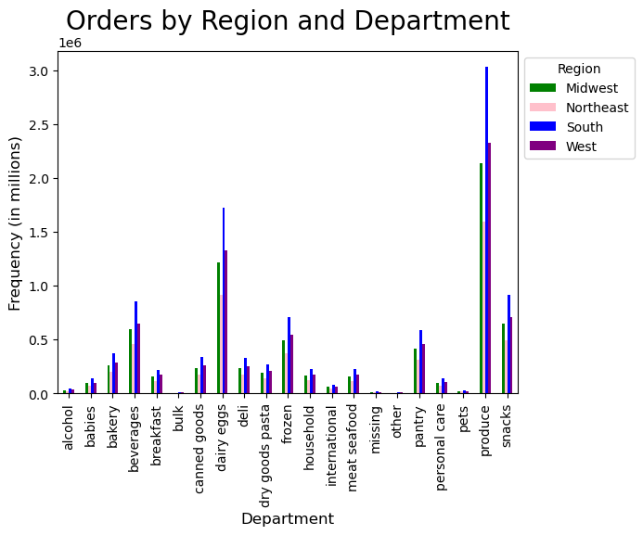
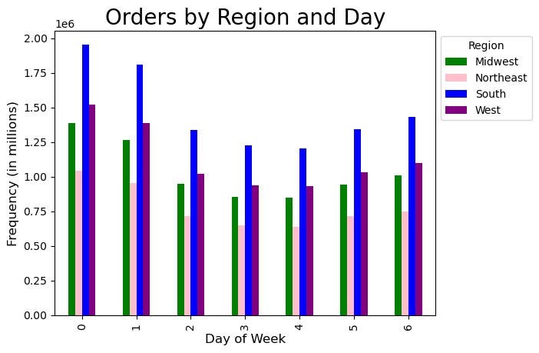
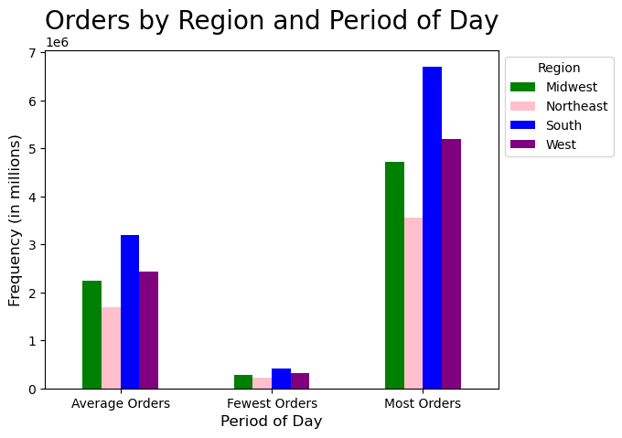

The U.S regions are broken down as follows:
South = Delaware, Maryland, District of Columbia, Virginia, West Virginia, North Carolina, South Carolina, Georgia, Florida, Kentucky, Tennessee, Mississippi, Alabama, Oklahoma, Texas, Arkansas, and Louisiana.
West = Idaho, Montana, Wyoming, Nevada, Utah, Colorado, Arizona, New Mexico, Alaska, Washington, Oregon, California, and Hawaii.
Midwest = Wisconsin, Michigan, Illinois, Indiana, Ohio, North Dakota, South Dakota, Nebraska, Kansas, Minnesota, Iowa, and Missouri.
Northeast = Maine, New Hampshire, Vermont, Massachusetts, Rhode Island, Connecticut, New York, Pennsylvania, and New Jersey

The South region places the most orders, followed by the West region.Northeast region places the least orders.
The orders placed across the day, the hours, and the department have not significantly changed buyer's purchasing habits.

7) Is there a connection between age and family status in terms of ordering habits?

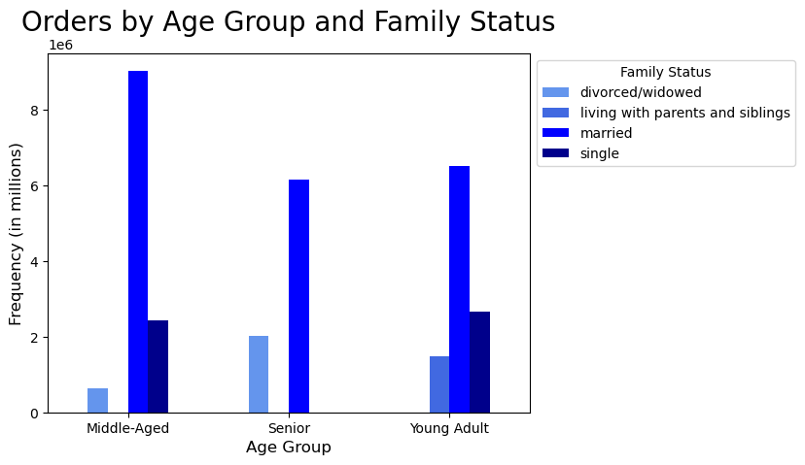

Age Group:
Young Adult : 18<= age <40
Middle-Aged : 40 - 64
Senior : 65+



Age was divided into the three categories shown above. Analysis indicates that married users in each age group place the majority of orders.

8) What different classifications does the demographic information suggest? Age? Income? Certain types of goods? Family status?

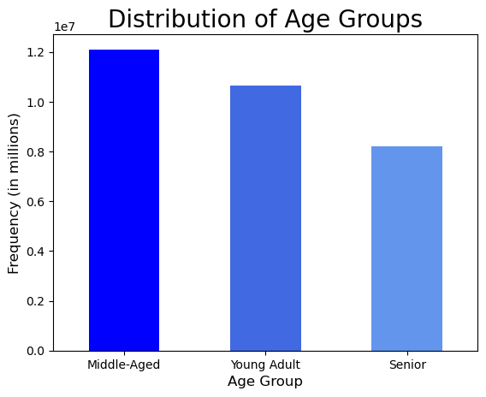
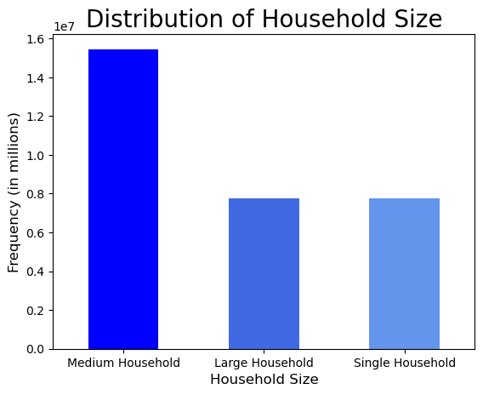

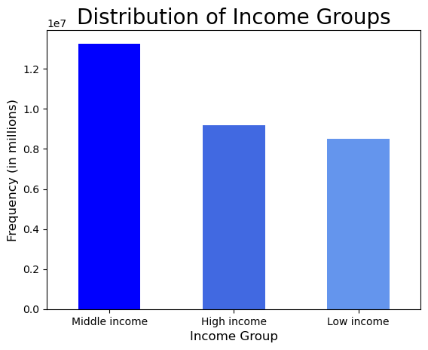
Income Group:
High income: income>120000
Middle income : 70000 <=income <=120000
Low income income: income<70000

Household Group:
Large household : No of dependants =3
Medium household : No of dependants = 1 or 2
Single household : No of dependants =0

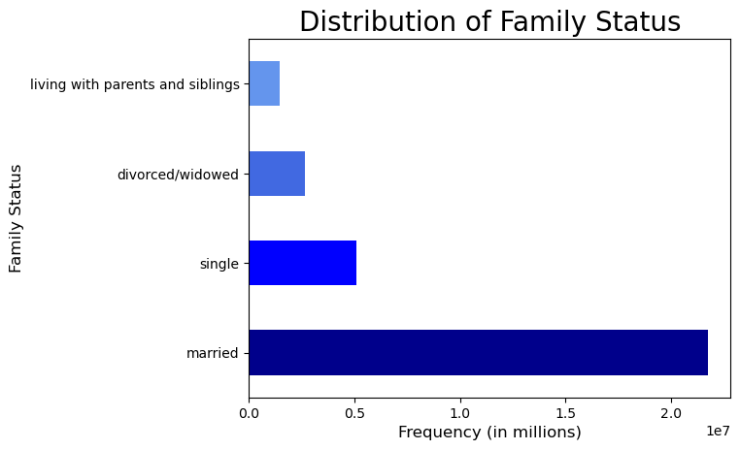

When analyzing the frequency of orders across other demographics, the majority of users fall into the "Middle" range:
Customers who are in middle-aged purchased the most among all age groups.
The middle income group makes the greatest purchases among the income levels.
The medium-sized household makes the most purchases.
Department- Produce and dairy eggs had the highest order totals.
Married customers typically make the biggest purchases when it comes to family status.

9) What differences can you find in ordering habits of different customer profiles? Consider the price of orders, the frequency of orders, the products customers are ordering, and anything else you can think of.

Age group:
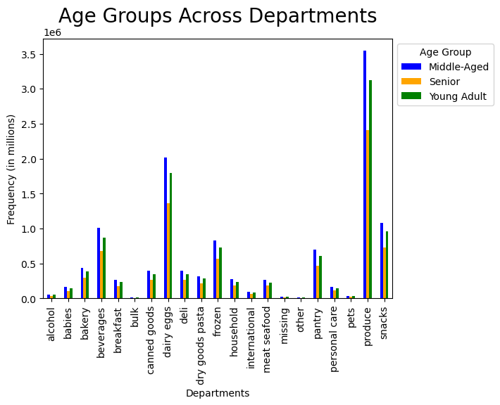
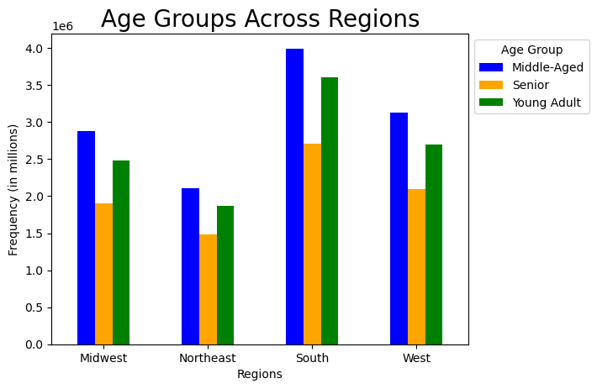

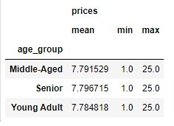

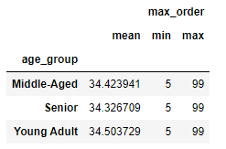

Income group:

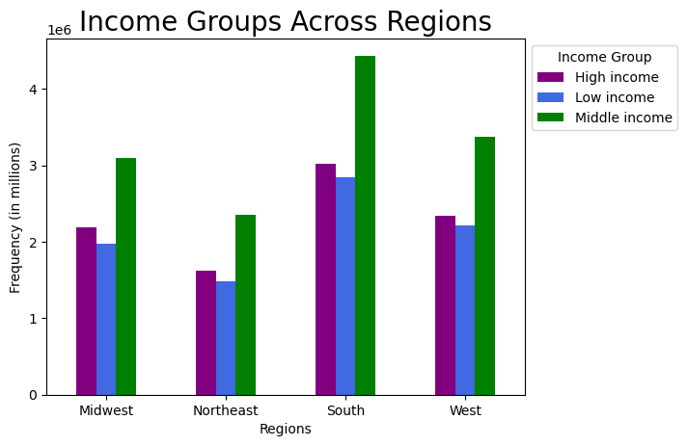

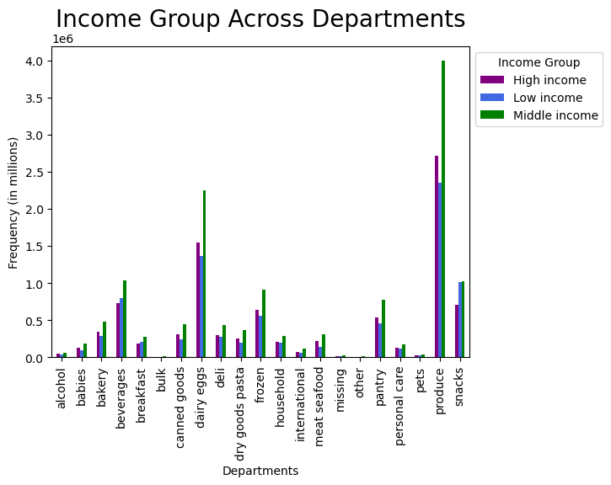
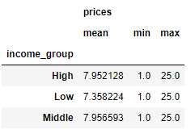

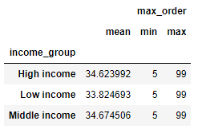

Household group:

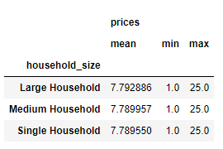
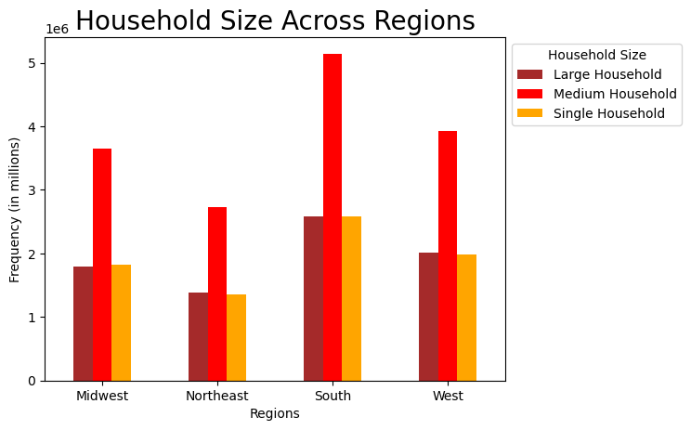
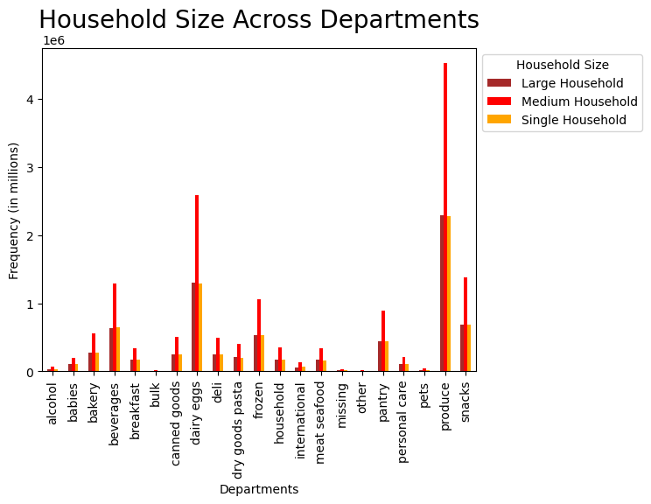

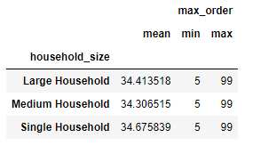

The analysis reveals no significant variations in any customer profile's ordering patterns. Every customer profile shows consistency in their ordering behaviors.

7. Recommendations
 |  | Title page

Recommendations

In this tab you should include any recommendations you would made to Instcart in terms of their marketing strategy based on the questions posed in the brief. Every key question has been covered in the Tasks of the Exercises - here you need to add an item - a visualisation or table/crosstable that is showing the answer in the data, acompanied by a comment from you. Please, list the questions below and add the answer underneath.

Question | Answer

1. The sales team needs to know what the busiest days of the week and hours of the day are in order to schedule ads at times when there are fewer orders. | The busiest days of the week are on Saturday and Sunday. Additionally, the busiest times of the day are from 9 am to 4 pm, with 10 am being the time when the most orders are placed. During this time, it is recommended that more advertisements be displayed, particularly on weekends since these are most likely the users' free days when they are making their weekly shopping. Promotions can be launched on particular days to encourage customers to purchase more products.

2. They also want to know whether there are particular times of the day when people spend the most money, as this might inform the type of products they advertise at these times. | The morning hours between 4 and 6 are when people spend the most money. To give the sales staff more information on how to advertise specific products, further analysis can be done to determine why customers are purchasing expensive items during these hours and what products are ordered during these periods.

3. Instacart has a lot of products with different price tags. Marketing and sales want to use simpler price range groupings to help direct their efforts | Low range products (less than or equal to $5), Medium range products (between $5 and $15), and High range products (more than $15) were used to group the prices. The majority of orders were made from the medium-range product category. It is advised to run more advertisements and promotions for this group of products.

4. Are there certain types of products that are more popular than others? The only marketing and sales teams want to know which departments have the highest frequency of product orders. | The departments that perform well are Produce, Dairy Eggs, Snacks, and Beverages. Considering their importance to the user, promotions in these specific departments are advised.

5. What’s the distribution among users in regards to their brand loyalty (i.e., how often do they return to Instacart)? | The great majority of users are Regular Customers—those placing orders between 10 and 40—closely followed by Loyal Customers. It is advisable to offer a loyalty/rewards program to those who belong to these two groups.

6. Are there differences in ordering habits based on a customer’s loyalty status? | There was no differences in ordering habits based on customer's loyalty status.As previously mentioned, offering a loyalty/rewards program is advised.

7. Are there differences in ordering habits based on a customer’s region? | The region that places the most orders is the South, followed by the West.When analyzing the regional ordering habits, there are no differences. Encourage the provision of more advertisements in these areas in order to expand the customer base.

8. Is there a connection between age and family status in terms of ordering habits? | Each age group's most common order-placers are married users.Recommend that there be particular advertisements or promotions for married users.

9. What different classifications does the demographic information suggest? Age? Income? Certain types of goods? Family status? | When analyzing the frequency of orders across other demographics, the majority of users fall into the "Middle" range: Customers who are in middle-aged purchased the most among all age groups. The middle income group makes the greatest purchases among the income levels. The medium-sized household makes the most purchases. Department- Produce and dairy eggs had the highest order totals. Married customers typically make the biggest purchases when it comes to family status.

10. What differences can you find in ordering habits of different customer profiles? Consider the price of orders, the frequency of orders, the products customers are ordering, and anything else you can think of. | The analysis reveals no significant variations in any customer profile's ordering patterns. Every customer profile shows consistency in their ordering behaviors.

Final Recommendation To encourage people to keep using Instacart's services, a loyalty/rewards program needs to be established. Based on the factors mentioned above, it is also recommended to improve advertising and promotions. To ensure Instacart's sustained success, a further marketing campaign for certain criteria will result in an increase in purchases.

